Sizing
Microfiber |  |  |  |  |  |  |  | Microfiber |  |  |  |  |  |  |  | Microfiber
Stock Sample 1 |  |  |  |  |  |  |  | 10x Dilfuted |  |  |  |  |  |  |  | 10x Dilfuted
1-Jun-22 |  |  |  |  |  |  |  | 2022-06-14 |  |  |  |  |  |  |  | 2022-06-15
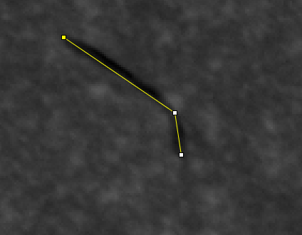
 |  |  |  |  |  |  |  | stock 1 |  |  |  |  |  |  |  | stock 2
 | 5 | 8.00E-04 | 1355.169 | 1217.417 | 1526.029 | 0 | 0.255 |  | 4 | 3.67E-04 | 1940.766 | 1663.778 | 2292.176 | 0 | 0.222 |  | 1 | 0.004 | 2322.086 | 1828.022 | 2910.502 | 1.31
 | 6 | 0.002 | 1828.94 | 1265.437 | 2152 | 0 | 0.609 |  | 5 | 4.25E-04 | 2042.101 | 1615.764 | 2478.982 | 0 | 0.257 |  | 2 | 0.003 | 2159.223 | 1895.45 | 2464.942 | 0.929
 | 7 | 0.002 | 1727.525 | 1107.433 | 2145.543 | 0 | 0.561 |  | 6 | 4.71E-04 | 1678.206 | 1227.868 | 2200.03 | 0 | 0.284 |  | 3 | 0.001 | 2173.534 | 1966.45 | 2671.485 | 0.391
 | 8 | 9.36E-04 | 1726.171 | 1167.42 | 2136.08 | 0 | 0.299 |  | 7 | 7.16E-04 | 1825.238 | 1463.625 | 2441.923 | 0 | 0.433 |  | 4 | 0.002 | 2148.535 | 1937.645 | 2428.953 | 0.621
 | 9 | 0.002 | 1856.69 | 935.522 | 2255.662 | 0 | 0.777 |  | 8 | 0.001 | 2055.132 | 1283.37 | 3010.752 | 0 | 0.699 |  | 5 | 0.001 | 2020.516 | 1732.426 | 2416.088 | 0.357
 | 10 | 0.002 | 1882.412 | 1311.221 | 2254.759 | 0 | 0.797 |  | 9 | 0.001 | 2032.62 | 1429.691 | 2934.204 | 0 | 0.782 |  | 6 | 0.003 | 1974.413 | 1491.737 | 2472.375 | 0.813
 | 11 | 0.003 | 1281.471 | 953.342 | 1582.85 | 0 | 0.93 |  | 10 | 9.99E-04 | 3357.626 | 2505.095 | 3987 | 0 | 0.605 |  | 7 | 0.002 | 1935.354 | 1770.391 | 2077.311 | 0.75
 | 12 | 0.001 | 1308.633 | 1185.061 | 1480.182 | 0 | 0.479 |  | 11 | 5.33E-04 | 1713.531 | 1393.933 | 2391.348 | 0 | 0.323 |  | 8 | 0.001 | 1705.444 | 1414.6 | 2070.458 | 0.425
 | 13 | 0.002 | 2093.037 | 1641.015 | 2379 | 0 | 0.7 |  | 12 | 0.001 | 1968.77 | 1318.599 | 2356.982 | 0 | 0.607 |  | 9 | 0.002 | 1772.81 | 1367.57 | 2079.755 | 0.495
 | 14 | 0.002 | 1233.752 | 1045.085 | 1534 | 0 | 0.661 |  | 13 | 0.001 | 2155.805 | 1538.239 | 2818.089 | 0 | 0.65 |  | 10 | 0.002 | 1971.432 | 1762.129 | 2261.444 | 0.675
 | 15 | 0.001 | 1726.838 | 1158.046 | 2205.131 | 0 | 0.326 |  | 14 | 7.73E-04 | 1806.834 | 1478.038 | 2341.243 | 0 | 0.468 |  | 11 | 0.001 | 2220.781 | 1949.246 | 2588.69 | 0.309
 | 16 | 0.002 | 1175.059 | 1025.243 | 1307 | 0 | 0.648 |  | 15 | 8.87E-04 | 1933.398 | 1515.698 | 2630 | 0 | 0.537 |  | 12 | 0.001 | 2162.309 | 1951.359 | 2445.911 | 0.357
 | 17 | 0.002 | 1691.221 | 941.392 | 2213.031 | 0 | 0.787 |  | 16 | 6.97E-04 | 1786.992 | 1319.75 | 2557.272 | 0 | 0.421 |  | 13 | 0.002 | 2456.98 | 2206.963 | 2850.328 | 0.628
 | 18 | 0.002 | 1851.822 | 1320.91 | 2220 | 0 | 0.697 |  | 17 | 3.89E-04 | 1866.262 | 1279.893 | 2618.913 | 0 | 0.235 |  | 14 | 0.002 | 2413.101 | 2190.667 | 2639.401 | 0.481
 | 19 | 0.002 | 2914.105 | 1411.137 | 3791 | 0 | 0.641 |  | 18 | 7.54E-04 | 1783.494 | 1209.037 | 2619 | 0 | 0.457 |  | 15 | 6.64E-04 | 2243.352 | 2121.6 | 2387.5 | 0.202
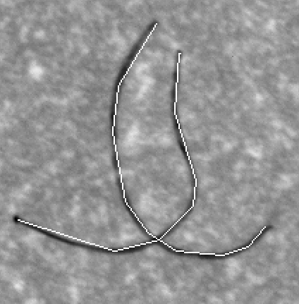
 | 20 | 0.001 | 1842.833 | 1237.56 | 2296.906 | 0 | 0.347 |  | 19 | 0.002 | 1955.461 | 1298.36 | 2852.743 | 0 | 1.082 |  | 16 | 0.001 | 2323.261 | 1985.41 | 2763.985 | 0.425
 | 21 | 0.001 | 1878.747 | 1144.388 | 2311.295 | 0 | 0.402 |  | 20 | 3.32E-04 | 1692.417 | 1186.809 | 2355.342 | 0 | 0.2 |  | 17 | 8.33E-04 | 2264.396 | 1916.958 | 2542.832 | 0.255
 | 22 | 0.001 | 1897.253 | 1384.466 | 2311.346 | 0 | 0.479 |  | 21 | 0.001 | 1639.222 | 1192.489 | 2125.417 | 0 | 0.658 |  | 18 | 0.003 | 2302.031 | 1886.14 | 2652.393 | 0.968
 | 23 | 7.23E-04 | 1971.19 | 1599.562 | 2301.131 | 0 | 0.231 |  | 22 | 0.001 | 1789.474 | 1192.524 | 2505.218 | 0 | 0.825 |  | 19 | 0.001 | 2200.139 | 2066.041 | 2451.031 | 0.35
 | 24 | 0.003 | 1308.393 | 955.002 | 1729.145 | 0 | 0.902 |  | 23 | 0.001 | 1734.58 | 1307.562 | 2265 | 0 | 0.724 |  | 20 | 0.003 | 2214.416 | 1637.797 | 2458.05 | 0.839
 | 25 | 0.001 | 1354.642 | 1166.574 | 1771.75 | 0 | 0.353 |  | 24 | 0.001 | 1820.936 | 1388.083 | 2496.891 | 0 | 0.65 |  | 21 | 0.002 | 1917.175 | 1744.08 | 2133.553 | 0.463
 | 26 | 0.001 | 1245.769 | 879.875 | 1496.787 | 0 | 0.407 |  | 25 | 4.00E-04 | 1625.348 | 1253.841 | 2216.639 | 0 | 0.242 |  | 22 | 0.001 | 1909.306 | 1733.043 | 2293 | 0.396
 | 27 | 3.95E-04 | 1163.797 | 1043.79 | 1758.183 | 0 | 0.127 |  | 26 | 7.81E-04 | 1957.47 | 1423.104 | 2374.219 | 0 | 0.473 |  | 23 | 0.001 | 1800.552 | 1639.219 | 1942.119 | 0.429
 | 28 | 0.002 | 1300.765 | 1094.392 | 1741 | 0 | 0.649 |  | 27 | 0.001 | 1778.305 | 1144 | 2374.229 | 0 | 0.819 |  | 24 | 5.90E-04 | 2173.226 | 2019.506 | 2562.712 | 0.18
 | 29 | 0.002 | 1260.726 | 986.366 | 1459.418 | 0 | 0.58 |  | 28 | 0.002 | 1724.402 | 1368.336 | 2114.471 | 0 | 0.97 |  | 25 | 0.001 | 2340.298 | 2015.934 | 2909.439 | 0.455
 | 30 | 0.002 | 1338.027 | 1187.566 | 1547.049 | 0 | 0.706 |  | 29 | 4.90E-04 | 1771.147 | 1404.521 | 2230.101 | 0 | 0.296 |  | 26 | 0.003 | 2242.831 | 1935.573 | 2616.945 | 0.832
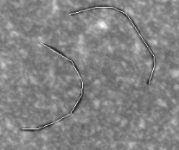
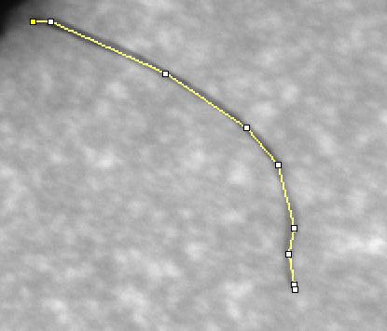
 | 31 | 0.002 | 1285.024 | 1026.165 | 1590.424 | 0 | 0.656 |  | 30 | 2.48E-04 | 1571.006 | 1308.44 | 1796.466 | 0 | 0.15 |  | 27 | 3.79E-04 | 2096.421 | 1925.6 | 2288.856 | 0.115
 | 32 | 0.003 | 1263.344 | 1007.505 | 1563.244 | 0 | 0.918 |  | 31 | 0.001 | 1759.497 | 1364.32 | 2126.554 | 0 | 0.613 |  | 28 | 0.002 | 2185.286 | 1810.551 | 2605.417 | 0.645
 | 33 | 0.002 | 1353.659 | 1152.082 | 1730.472 | 0 | 0.543 |  | 32 | 8.05E-04 | 1671.72 | 913.713 | 1942.83 | 0 | 0.488 |  | 29 | 6.01E-04 | 2337.205 | 2091.111 | 2631.201 | 0.185
 | 34 | 0.002 | 1308.952 | 977.464 | 1648.419 | 0 | 0.637 |  | 33 | 4.00E-04 | 1834.823 | 930.78 | 2395.742 | 0 | 0.242 |  | 30 | 0.002 | 2108.647 | 1706.467 | 2605.561 | 0.544
 | 35 | 0.002 | 1436.718 | 1224.629 | 1753.206 | 0 | 0.663 |  | 34 | 0.001 | 1822.085 | 1162.814 | 3388.276 | 0 | 0.742 |  | 31 | 2.95E-04 | 1978.249 | 1701.454 | 2259.835 | 0.091
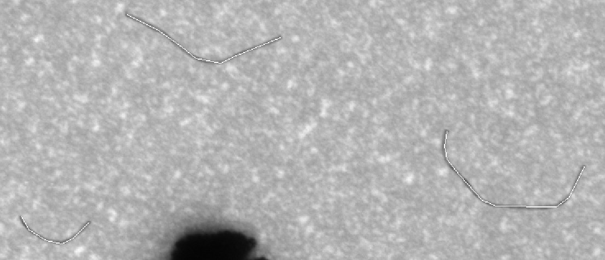
 | 36 | 0.002 | 1292.99 | 891.06 | 1545.967 | 0 | 0.626 |  | 35 | 2.42E-04 | 1849.483 | 1357.902 | 2530.282 | 0 | 0.146 |  | 32 | 0.003 | 2041.338 | 1699.619 | 2645.085 | 0.861
 | 37 | 0.003 | 1374.701 | 940.011 | 1978 | 0 | 0.87 |  | 36 | 5.99E-04 | 2065.297 | 1468.761 | 2578.642 | 0 | 0.362 |  | 33 | 0.001 | 1894.791 | 1607.958 | 2402 | 0.336
 | 38 | 0.001 | 1362.619 | 1231.973 | 1641.491 | 0 | 0.36 |  | 37 | 0.002 | 1602.375 | 1044.899 | 2313.681 | 0 | 0.94 |  | 34 | 0.002 | 1979.245 | 1707.89 | 2242.149 | 0.502
 | 39 | 0.003 | 1445.766 | 1057.152 | 1998.724 | 0 | 0.915 |  | 38 | 0.001 | 1807.163 | 1316.155 | 2193.25 | 0 | 0.721 |  | 35 | 7.69E-04 | 2037.072 | 1780.031 | 2445.766 | 0.236
 | 40 | 0.002 | 1444.246 | 1120.998 | 1857.745 | 0 | 0.569 |  | 39 | 9.74E-04 | 1828.347 | 1472.373 | 2444.207 | 0 | 0.59 |  | 36 | 0.002 | 2307.986 | 1822.587 | 2806.537 | 0.665
 | 41 | 0.002 | 1481.264 | 1184 | 1746.026 | 0 | 0.658 |  | 40 | 6.69E-04 | 1985.722 | 1283.03 | 2547.668 | 0 | 0.406 |  | 37 | 0.001 | 2251.041 | 1852.76 | 3015 | 0.43
 | 42 | 0.002 | 1329.204 | 950.819 | 1580.592 | 0 | 0.629 |  | 41 | 0.002 | 2021.857 | 1442.821 | 2740.551 | 0 | 1.263 |  | 38 | 0.002 | 2116.282 | 1818.127 | 2619.109 | 0.47
 | 43 | 0.002 | 1435.829 | 1028.071 | 2498.439 | 0 | 0.787 |  | 42 | 0.001 | 2013.981 | 1216.758 | 2814.672 | 0 | 0.892 |  | 39 | 0.002 | 2163.1 | 1609.366 | 2667 | 0.481
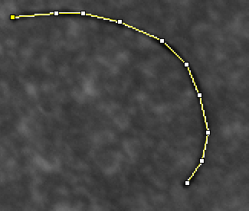
 | 44 | 0.001 | 1447.882 | 1124.161 | 1798.651 | 0 | 0.45 |  | 43 | 6.86E-04 | 2030.417 | 1350.586 | 2505.748 | 0 | 0.416 |  | 40 | 0.001 | 2161.966 | 1671.443 | 2720.034 | 0.456
 | 45 | 0.003 | 1349.65 | 960.062 | 1790.623 | 0 | 1.053 |  | 44 | 9.25E-04 | 1952.16 | 1297.4 | 3010.117 | 0 | 0.56 |  | 41 | 0.003 | 2086.129 | 1804.525 | 2484.597 | 0.934
 | 46 | 0.002 | 1331.686 | 1043.521 | 1607.89 | 0 | 0.692 |  | 45 | 0.001 | 1914.693 | 1291.812 | 2391.844 | 0 | 0.638 |  | 42 | 0.003 | 2259.368 | 1951.818 | 2634.86 | 0.822
 | 47 | 0.002 | 1399.789 | 974.7 | 1812.483 | 0 | 0.777 |  | 46 | 6.91E-04 | 2069.842 | 1380.325 | 2755.702 | 0 | 0.419 |  | 43 | 8.96E-04 | 2067.036 | 1903 | 2340.821 | 0.274
 | 48 | 0.003 | 1349.805 | 1019.916 | 1767.59 | 0 | 0.856 |  | 47 | 6.18E-04 | 1797.956 | 1530.151 | 2265.917 | 0 | 0.374 |  | 44 | 0.002 | 2385.298 | 1986.673 | 2763.235 | 0.653
 | 49 | 0.003 | 1286.032 | 1111.758 | 1614.009 | 0 | 1.025 |  | 48 | 7.18E-04 | 1947.864 | 1473.086 | 2393.651 | 0 | 0.435 |  | 45 | 0.001 | 2268.895 | 1922.278 | 2607.443 | 0.357
 | 50 | 0.001 | 1433.316 | 1214.933 | 1618.098 | 0 | 0.401 |  | 49 | 5.50E-04 | 2097.398 | 1515.197 | 2709.47 | 0 | 0.333 |  | 46 | 0.001 | 2205.136 | 1856.72 | 2596.836 | 0.317
 | 51 | 9.74E-04 | 1265.392 | 1115.575 | 1535.954 | 0 | 0.313 |  | 50 | 0.002 | 1928.782 | 1511.013 | 2561.788 | 0 | 1.09 |  | 47 | 9.49E-04 | 2163.742 | 1779.436 | 2387.61 | 0.29
 | 52 | 0.002 | 1497.267 | 1184.415 | 1830.116 | 0 | 0.659 |  | 51 | 0.002 | 1809.243 | 1232.983 | 2280.199 | 0 | 1.031 |  | 48 | 0.002 | 2200.689 | 1709.267 | 2760.566 | 0.769
 | 53 | 0.002 | 1618.87 | 1440.288 | 1992 | 0 | 0.608 |  |  |  |  |  |  |  |  |  | 49 | 0.001 | 2020.212 | 1753.382 | 2464.788 | 0.379
 | 54 | 0.002 | 1358.19 | 1099.94 | 1694.95 | 0 | 0.561 |  |  |  |  |  |  |  |  |  | 50 | 0.002 | 2031.475 | 1668.841 | 2542.753 | 0.572
 | 55 | 0.004 | 1708.05 | 1337.581 | 2325.868 | 0 | 1.339 |  |  |  |  |  |  |  |  |  | 51 | 0.001 | 2121.459 | 1697.343 | 2467.09 | 0.315
 | 56 | 0.002 | 1581.083 | 1066.68 | 1977.209 | 0 | 0.705 |  |  |  |  |  |  |  |  |  | 52 | 0.002 | 2150.649 | 1724.544 | 2725.93 | 0.664
 |  |  |  |  |  |  |  |  |  |  |  |  |  |  |  |  | 53 | 0.002 | 2265.744 | 1975.112 | 2862 | 0.518
 |  |  |  |  |  |  | 0.62730769231 |  |  |  |  |  |  |  | 0.55770833333 |  | 54 | 0.002 | 2453.921 | 2098.657 | 2959.932 | 0.487
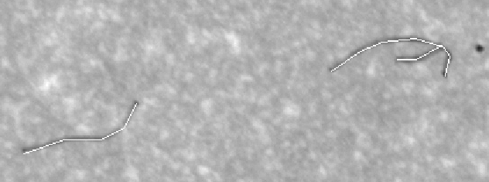
 |  |  |  |  |  |  |  |  |  |  |  |  |  |  | 0.27217578474 |  | 55 | 0.002 | 2245.722 | 1878.904 | 2644.202 | 0.6
 |  |  |  |  |  |  |  |  |  |  |  |  |  |  |  |  | 56 | 0.002 | 2119.814 | 1822.661 | 2470 | 0.653
 |  |  |  |  |  |  |  |  |  |  |  |  |  |  |  |  | 57 | 0.003 | 2286.037 | 1845.653 | 2909.252 | 0.95
 |  |  |  |  |  |  |  |  |  |  |  |  |  |  |  |  | 58 | 0.002 | 2180.891 | 1951.891 | 2597.12 | 0.49
 |  |  |  |  |  |  |  |  |  |  |  |  |  |  |  |  | 59 | 0.002 | 2007.785 | 1739.406 | 2228.664 | 0.562
 |  |  |  |  |  |  |  |  |  |  |  |  |  |  |  |  | 60 | 4.00E-04 | 2142.931 | 1845.102 | 2498.834 | 0.124
 |  |  |  |  |  |  |  |  |  |  |  |  |  |  |  |  | 61 | 0.001 | 1902.74 | 1698.277 | 2182.956 | 0.36
 |  |  |  |  |  |  |  |  |  |  |  |  |  |  |  |  | 62 | 0.003 | 2150.722 | 1773.05 | 2464.853 | 1.026
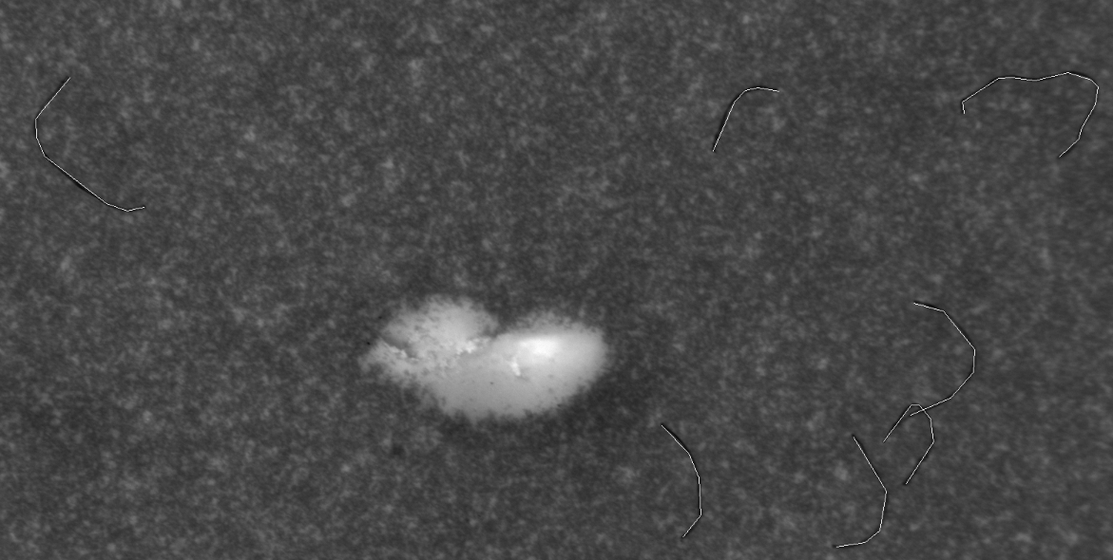
 |  |  |  |  |  |  |  |  |  |  |  |  |  |  |  |  | 63 | 3.69E-04 | 2128.847 | 2005.475 | 2303.838 | 0.114
 |  |  |  |  |  |  |  |  |  |  |  |  |  |  |  |  | 64 | 9.38E-04 | 2056.96 | 1889.802 | 2214.032 | 0.288
 |  |  |  |  |  |  |  |  |  |  |  |  |  |  |  |  | 65 | 0.003 | 2130 | 1727.519 | 2632.572 | 0.906
 |  |  |  |  |  |  |  |  |  |  |  |  |  |  |  |  | 66 | 0.001 | 2215.129 | 1890.268 | 2650.451 | 0.355
 |  |  |  |  |  |  |  |  |  |  |  |  |  |  |  |  | 67 | 6.64E-04 | 2234.039 | 2135.837 | 2395.44 | 0.202
 |  |  |  |  |  |  |  |  |  |  |  |  |  |  |  |  | 68 | 0.002 | 2194.396 | 1796 | 2824.657 | 0.551
 |  |  |  |  |  |  |  |  |  |  |  |  |  |  |  |  | 69 | 0.002 | 2263.06 | 1911.872 | 2846.798 | 0.562
 |  |  |  |  |  |  |  |  |  |  |  |  |  |  |  |  | 70 | 0.001 | 2247.972 | 1908.296 | 3187 | 0.355

 |  |  |  |  |  |  |  |  |  |  |  |  |  |  |  |  |  |  |  |  |  | 0.51144285714
 |  |  |  |  |  |  |  |  |  |  |  |  |  |  |  |  |  |  |  |  |  | 0.2520355758

Average_Sizing
0.222 | 222
0.257 | 257
0.284 | 284
0.433 | 433
Average = 530 µm
Std = 260 µm
N= 118
0.699 | 699
0.782 | 782
0.605 | 605
0.323 | 323
0.607 | 607
0.65 | 650
0.468 | 468
0.537 | 537
0.421 | 421
0.235 | 235
0.457 | 457
1.082 | 1082
0.2 | 200
0.658 | 658
0.825 | 825 | Average | 530 | µm
0.724 | 724 | Stdev | 260 | µm
0.65 | 650 | N | 118
0.242 | 242 | Q1 | 351.25
0.473 | 473 | Q3 | 664.75
0.819 | 819
0.97 | 970
0.296 | 296
0.15 | 150
0.613 | 613
0.488 | 488
0.242 | 242
0.742 | 742
0.146 | 146
0.362 | 362
0.94 | 940
0.721 | 721
0.59 | 590
0.406 | 406
1.263 | 1263
0.892 | 892
0.416 | 416
0.56 | 560
0.638 | 638
0.419 | 419
0.374 | 374
0.435 | 435
0.333 | 333
1.09 | 1090
1.031 | 1031
1.31 | 1310
0.929 | 929
0.391 | 391
0.621 | 621
0.357 | 357
0.813 | 813
0.75 | 750
0.425 | 425
0.495 | 495
0.675 | 675
0.309 | 309
0.357 | 357
0.628 | 628
0.481 | 481
0.202 | 202
0.425 | 425
0.255 | 255
0.968 | 968
0.35 | 350
0.839 | 839
0.463 | 463
0.396 | 396
0.429 | 429
0.18 | 180
0.455 | 455
0.832 | 832
0.115 | 115
0.645 | 645
0.185 | 185
0.544 | 544
0.091 | 91
0.861 | 861
0.336 | 336
0.502 | 502
0.236 | 236
0.665 | 665
0.43 | 430
0.47 | 470
0.481 | 481
0.456 | 456
0.934 | 934
0.822 | 822
0.274 | 274
0.653 | 653
0.357 | 357
0.317 | 317
0.29 | 290
0.769 | 769
0.379 | 379
0.572 | 572
0.315 | 315
0.664 | 664
0.518 | 518
0.487 | 487
0.6 | 600
0.653 | 653
0.95 | 950
0.49 | 490
0.562 | 562
0.124 | 124
0.36 | 360
1.026 | 1026
0.114 | 114
0.288 | 288
0.906 | 906
0.355 | 355
0.202 | 202
0.551 | 551
0.562 | 562
0.355 | 355

